Intro
What this document is
This document is an overview of Finance and Accounting basics, employing a food truck as an example for basic accounting, and a gym as an example for budgeting and forecasting. We will go back to the food truck to explore variance analysis.

It is based on a course from Son Han. He can be found at https://www.linkedin.com/in/sonhan/.


Jonathan Maas
www.theprototyper.design
jonathan@jonmaas.com
3105005841

Part 1 - The Food Truck
Part 1 - The Food Truck
We take a hypothetical food truck, and apply Fixed and Variable Costs to it, and then find the Unit Margin and Total Margin. | 1 | Are the costs Fixed or Variable | Fixed or Variable | Notes
 |  | Full Time Employee | Fixed
 |  | Monthly Rent | Fixed
This is a food truck that sells hamburgers
Fixed Costs – You have to pay these costs no matter what
Variable Costs – You only pay these costs if you sell an hamburger
Sales Price – how much revenue you get per hamburger
Unit Margin – how much profit you make off each hamburger
Total Margin – how much profit you make in total after accounting for fixed costs
 |  | Cost of Hamburger | Variable | The cost will go up as you sell more hamburgers, and go down as you sell less hamburgers.

 | 2 | Amounts | Total Cost
 |  | Full Time Employee | $40,000 | Per year
 |  | Rent | $1,000 | Per month
 |  | Cost of Hamburger | $2
 |  | Selling Price | $7

 | 3 | Unit/Contribution Margin
 |  | Selling Price | $7
 |  | Variable Cost Per Unit | $2
 |  | Unit/Contribution Margin | $5

 | 4 | Cost to Break Even
 |  | Total Fixed Costs Per Year
 |  | Full Time Employee | $40,000 | Per year
 |  | Rent | $12,000 | ($1,000 * 12)
 |  | Total Fixed Costs Per Year | $52,000

 |  | Divide by Unit Margin | $5
 |  | Total Units to Break-Even | 10400
 |  | Total Units Per Month | 866.66666667 | Break even units / 12
 |  | Total Units Per Day | 43 | Units per month / 20
 |  | Total Units Per Hour | 5.42 | Units per day / 8

 | 5 | Total Margin Analysis

 |  | Units/Hamburgers Sold | 20000 | Input the amount that you will sell in a year.

 |  | Total Revenue | $140,000

 |  | Full Time Employee (FTE) | $40,000
 |  | Rent | $12,000
 |  | Cost of Goods Sold | $40,000
 |  | Total Expenses | $92,000

 |  | Total Margin | $48,000

Part 2 - Budget and Forecast
Part 2 - The Gym - Budgeting and Forecasting
We take a hypothetical gym, and explore budgeting and forecasting.

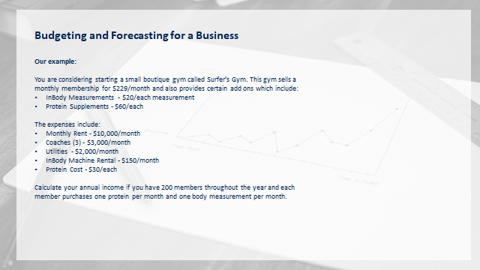
1 | List and Label Your Costs | Fixed or Variable
 | Monthly costs
 | Rent | Fixed
 | Coaches (3) | Fixed
 | Utilities | Fixed
 | InBody Machine Rental | Fixed
 | Protein Cost | Variable

2 | Determine Amounts | Total Cost | Frequency
 | Rent | 10000 | Monthly
 | Coaches (3) | 9000 | Monthly
 | Utilities | 2000 | Monthly
 | InBody Machine Rental | 150 | Monthly
 | Protein Cost | 30 | Each

3 | Find Unit/Contribution Margin
 | Membership Monthly Fee | $229 | Revenue
 | InBody Measurements | $20 | Revenue | This assumes each member has one InBody Measurement per month
 | Protein | $60 | Revenue | This assumes each member has one Protein Supplement per month
 | Variable Cost of Protein | $30
 | Unit Contribution Margin | $279

4 | Cost to Break Even (B-E)
 | Total Fixed Costs
 | Rent | $10,000
 | Coaches (3) | $9,000
 | Utilities | $2,000
 | InBody Machine Rental | $150
 | Total Fixed Costs Per Month | $21,150

 | Divide by Unit Margin | $279
 | Total Monthly Memberships to B-E | 76.00 | In short, if you have 76 paying members, you will break even

5 | Total Margin Forecast
 |  | Monthly | Annually
 | Members | 200 | 2400

 | Revenue
 | Membership Revenue | $45,800 | $549,600 |  | A note on revenue. Revenue does not necessarily equal cash. If you are not collecting on the revenue, ie due to annual membership payments, it is not cash.
 | Protein Revenue | $12,000 | $144,000
 | InBody Revenue | $4,000 | $48,000
 | Total Revenue | $61,800 | $741,600

 | Expenses
 | Full Time Employees (FTEs) | $9,000 | $108,000 |  | A note on multiple locations. Before opening up a chain, make sure that each franchise can sustain itself. When performing a Financial Analysis on a big company with a chain, you must look at each franchise individually.
 | Rent | $10,000 | $120,000
 | Utilities | $2,000 | $24,000
 | InBody Machine | $150 | $1,800
 | Protein | $6,000 | $72,000
 | Total Expenses | $27,150 | $325,800

 | Total Margin | $34,650 | $415,800

